1. Title Page
Grocery Basket Analysis

Project Name: Instacart Grocery Basket Analysis
Date: April 14th, 2024
Analyst Name: Kevin Clancy

Contents:
Population Flow
Consistency checks
Wrangling steps
Column derivations
Visualizations
Recommendations

Data Source: “The Instacart Online Grocery Shopping Dataset 2017”, Accessed from www.instacart.com/datasets/grocery-shopping-2017 via Kaggle in April 2024.
Customer data as well as the "prices" column were both fabricated for the purpose of this course

2. Population Flow
Title page

Population flow

Exclusion flag
Condition: max_order < 5
Obervations to be removed: 1,440,295
Final total count of order_products_all: 32,404,859

Orders_products_combined
Orders_products_merged
Orders_products_all

Total: 32,404,859
Total: 32,640,698
Total: 32,404,859

1.) The grey boxes in the first row of the population flow represent the original data sets as they were when you downloaded them. In the Total fields you need to add the count of the rows when you imported the data set into Jupyter.
2.) The second row of boxes (coloured) represents the data sets after you manipulated them, e.g., removed missing values and duplicates. In the Total fields you need to add the count of the rows after conducting these operations. This offers a visual oveview of how the data flows throughout the data consistency checks.
3.) The third row, where also the arrows are coloured, represents the merges you performed between the datasets. In the Total fields you need to add the count of the rows in the merged datasets, so that you end up with the final dataset (in the red box). Keep in mind the final dataset should be without exclusions (based on the exclusion flag).

3. Consistency checks
 |  |  |  | Title page
Consistency checks

Dataset | Missing values | Missing values treatment | Duplicates
orders | "last_order" - 206209 | missing values represent a user's first order so I created a flag column to identify first orders, did not delete nan in last_order
products | "product_name" - 16 | deleted | 5 dups dropped

4. Wrangling steps
 |  |  |  | Title page
Wrangling steps

Columns dropped | Columns renamed | Columns' type changed | Comment/Reason
'eval_set' |  |  | unnecessary and not relevant to the analysis
 | 'order_dow' --> 'orders_day_of_week' |  | "dow" may not be a commonly known acronym
 |  | 'order_id' from int64 to str | order_id does not represent real numeric values, it is a key that relates to specific orders and users
 |  | 'user_id' int64 to str | same reason as why order_id was changed
 | 'days_since_prior_order' --> 'last_order' |  | felt 'last_order' is a simpler way to say 'days_since_prior_order'
'unnamed: 0' |  |  | was forgetting to index=False when exporting so 2 unnamed columns popped into the df between exercise 4.4 and 4.5
'unnamed: 0.1' |  |  | same as above
'reordered' |  |  | felt did not provide anything to analysis
'First Name' --> 'first_name' |  |  | changed then later deleted to comply with privacy
'Surnam' --> 'last_name' |  |  | changed then later deleted to comply with privacy
 | 'STATE' --> 'State' |  | uniform change to remain consistent with other columns
 | 'n_dependants' --> 'Dependants' |  | uniform change to remain consistent with other columns

5. Column derivations
 |  |  |  | Title page

Column derivations and aggregations

In this tab you should add tables below that the frequences of flags/label variables that you produced after deriving them. NB: don't do this for continuous variables, only for flags.
Dataset | New column | Column/s it was derived from | Conditions
orders_wrangled.csv | first_order | last_order | last_order = nan then, first_order = true
orders_products_merged.pkl | price_range_loc | prices | price <= 'Low-Range product price > 5 'Mid-range product' price > 15 'High-range product' else 'Not enough data'
orders_products_merged.pkl | busiest_day | orders_day_of_week | if Saturday(0), then busiest day if Wednesday(4), then least busy else, then regularly busy
orders_products_merged.pkl | busiest_days | orders_day_of_week | if 0(Saturday) or 1(Sunday), then busiest days if 3(Tuesday) or 4(Wednesday), then slowest days else then regularly busy days
orders_products_merged.pkl | busiest_period_of_day | order_hour_of_day | if in range (9,16), then Most Orders if in range (0,8), then Fewest Orders else, then Average Orders
orders_products_merged_derived3.pkl | max_order | user_id and order_number | counts the total amount of orders by user
orders_products_merged_derived3.pkl | loyalty_flag | max_order | if more than 40 orders, then loyal customer if less than 40 but more than 10, then regular customer if less than 10 orders, then new customer
orders_products_merged_derived3.pkl | average_spend | user_id and prices | calculates the average price spent per order by user
orders_products_merged_derived3.pkl | spend_flag | average_spend | if average spend is less than 10, then low spender if average spend is higher than 10, then high spender
orders_products_merged_derived3.pkl | frequent_customer | user_id and last_order | calculates the median days since users last order
orders_products_merged_derived3.pkl | frequency_flag | frequent_customer | if last order is greater than 20, then non-frequent customer if last order is less than 20 but greater than 10, then regular customer if last order is less than 10, then frequent customer
instacart.pkl | Region | State | States grouped into Regions by geographical location
instacart.pkl | activity_flag | max_order | if max order is less than 5, then low activity if max order is greater than or equal to 5, then regular activity
df_exclusion | income bracket | income | if income is less than 75000, then low income if income is in range (75000, 150000), then medium income else then high income
df_exclusion | parental_status | dependants | if dependants is 0, then non parent else then parent
df_exclusion | age_group | age | if age is between (18,39), then young adult if age is between (40,64), then middle aged adult else then senior citizen
df_exclusion | customer_profile | age_group and parental_status | if "young adult and non parent" then "single young adult" if "young adult and parent" then "young adult parent" if "middle aged adult and non parent" then "middle aged single adult" if "middle aged adult and parent" then "middle aged parent" if "senior citizen and non parent" then "single senior citizen" if "senior citizen and parent" then "senior citizen parent"
df_exclusion | total_spend | user_id and prices | total spent by user id

Frequences of flags/label variations
first_order | spend_flag | spend_flag Midwest Northeast South West High Spender 155975 108225 209691 160354 Low Spender 7441350 5614511 10582194 8132559
False 3214874 | Low Spender 31770614
True 206209 | High Spender 634245
price_range_loc | frequency_flag | customer_profile Middle-Aged Parent 9046762 Young Adult Parent 8004535 Senior Citizen Parent 6173586 Middle-Aged Single Adult 3057148 Single Young Adult 2660575 Single Senior Citizen 2021958
Mid-range product 21860860 | Frequent Customer 21559853
Low-range product 10126321 | Regular Customer 7208564
High-range product 417678 | Non Frequent Customer 3636437
busiest_day | nan 5
Regularly busy 22416875 | activity_flag
Busiest day 6204182 | Regular Activity 30964564
Least busy 3783802 | Low Activity 1440295
busiest_days | income_bracket
Regularly Busy Days 12916111 | Medium Income 17162609
Busiest Days 11864412 | Low Income 9906680
Slowest Days 7624336 | High Income 3895275
busiest_period_of_day | age_group
Most Orders 18582869 | Middle Aged Adult 12103910
Average Orders 12044115 | Young Adult 10665110
Fewest Orders 1777875 | Senior Citizen 8195544
loyalty_flag
Regular customer 15876776
Loyal customer 10284093
New customer 6243990

6. Visualizations
 |  | Title page

Visualisations

In this tab you should include all the visualtions from Exercises 4.9 and 4.10, alongside the questions from the project brief that they answer. Include any commentary on the relationship between different variables.

Represents the number of orders for each day of the week. Saturday (0) and Sunday (1) being the busiest and Tuesday (3) and Wednesday (4) being the least busy. | Represents the relationship between prices and hour of the day. |  | Represents the busiest hours of the day by orders. 9-16 seems to be the busiest time of day.

Counts the number of orders by customers who are deemed "regular", "new", or "loyal". | Represents a user's spending power by age. |  | Represents the count of products by prices. Evidently, there are not many products that cost over $15.

 | 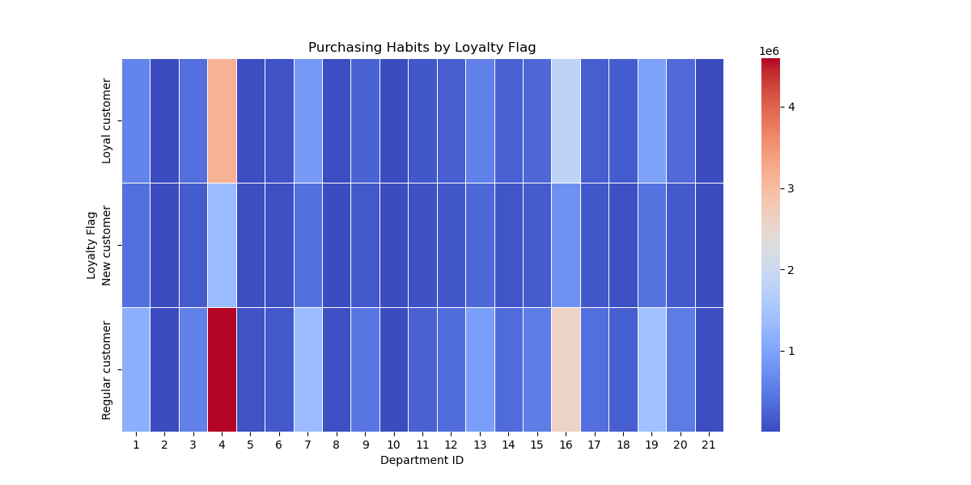

Counts department_id to determine most popular departments | Highlights the most popular departments by loyalty status

 | 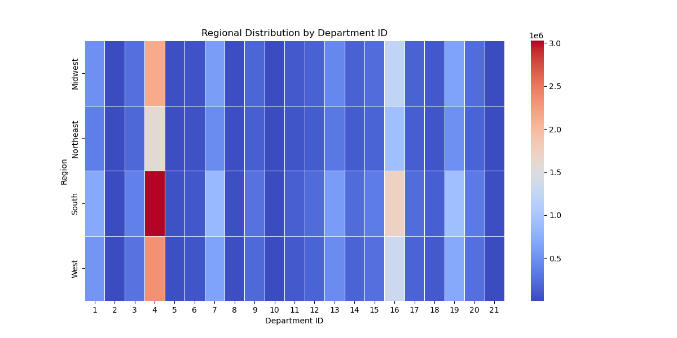

Counts total customer profiles and separates them by income bracket | Highlights the most popular departments among regions

 | Highlights the most popular departments among income groups

7. Recommendations
 |  |  |  |  |  |  |  |  |  |  |  |  |  |  | Title page

Recommendations

In this tab you should include any recommendations you would made to Instcart in terms of their marketing strategy based on the questions posed in the brief. Every key question has been covered in the Tasks of the Exercises - here you need to add an item - a visualisation or table/crosstable that is showing the answer in the data, acompanied by a comment from you. Please, list the questions below and add the answer underneath.

 | Key Questions
1) | What are the busiest days of the week and hours of the day?

 | ~ 37% of orders take place on Saturday and Sunday ~ 40% of orders take place on Monday, Thursday, and Friday ~ 23% of orders take place on Tuesday and Wednesday 0 = Saturday, 1 = Sunday, 2 = Monday, 3 = Tuesday, 4 = Wednesday, 5 = Thursday, 6 = Friday |  |  |  |  |  | The busiest time of day is between 9:00 and 16:00, with most orders coming around 9:00-10:00.
 | Recommendations:
 | 1) Schedule ads during pre and post peak hours in order to attempt boost sales during those times.
 | 2) On the slowest days, consider offering different promotional discounts on popular items to boost foot-traffic in the stores
 | 3) Use promotional discounts and ads to attract the most likely customers
 |  | ex: offer promo discounts on popular department ids in the senior citizen demographic on Tuesday and Wednesdays between the hours of 8:00 - 10:00.

2) | What are the most popular types of product?

 |  |  |  |  |  |  | department_id | department
 |  |  |  |  |  |  | 1 | frozen
 |  |  |  |  |  |  | 2 | other
 |  |  |  |  |  |  | 3 | bakery
 |  |  |  |  |  |  | 4 | produce
 |  |  |  |  |  |  | 5 | alcohol
 |  |  |  |  |  |  | 6 | international
 |  |  |  |  |  |  | 7 | beverages
 |  |  |  |  |  |  | 8 | pets
 |  |  |  |  |  |  | 9 | dry goods pasta
 |  |  |  |  |  |  | 10 | bulk
 |  |  |  |  |  |  | 11 | personal care
 |  |  |  |  |  |  | 12 | meat seafood
 |  |  |  |  |  |  | 13 | pantry
 |  |  |  |  |  |  | 14 | breakfast
 |  |  |  |  |  |  | 15 | canned goods
 |  |  |  |  |  |  | 16 | dairy eggs
 |  |  |  |  |  |  | 17 | household
 |  |  |  |  |  |  | 18 | babies
 |  |  |  |  |  |  | 19 | snacks
 |  |  |  |  |  |  | 20 | deli
 |  |  |  |  |  |  | 21 | missing

 | Highest Frequencies: Produce, dairy eggs, snacks, beverages, and frozen are the top 5 most ordered items.

 | Recommendations:
 | 1) Combine certain products as a combo promotion to boost sales. Ex: 2 for 10 on certain snacks/beverages
 | 2) Highlight brands -- in-store advertising to boost sales

3) | What is the distribution among users in regards to their brand loyalty?
 |  |  |  |  |  |  |  | Brand Loyalty Distribution Loyal Customers: approx. 32% Regular Customers: approx. 49% New Customers: approx. 19%

 |  |  |  |  |  |  |  |  | total_spend |  |  | last_order
 |  |  |  |  |  |  |  |  | mean | min | max | mean | min | max
 |  |  |  |  |  |  |  | loyalty_flag
 |  |  |  |  |  |  |  | Loyal customer | 8089.33 | 156 | 2101976.9 | 6.03 | 0 | 30
 |  |  |  |  |  |  |  | New customer | 1345.18 | 5 | 800423.2 | 17.6 | 0 | 30
 |  |  |  |  |  |  |  | Regular customer | 3866.48 | 15.7 | 2104114.1 | 12.16 | 0 | 30

 | Customers placed in 3 groups Loyal Customer -- over 40 orders Regular Customer -- over 10 orders but less than 40 orders New Customer -- less than 10 orders

 | Recommendations:
 | 1) Create a loyalty program -- this allows customers to earn rewards for every dollar spent, which incentivizes new customers to sign up
 | 2) Offer special promotions to those in the loyalty program -- give customers a reason besides a rewards system to join

4) | Are there differences in ordering habits based on a customer's loyalty status and a customer's location?

 | There are no notable differences in ordering habits between a customer's loyalty status and a customer's region.
 | The 5 top departments: Produce, dairy eggs, snacks, beverages, and frozen remain the highest in-demand amongst these two sets.

5) | Is there a connection between age and family status in terms of ordering habits?

 |  | total_spend |  |  | last_order |  |  |  | Instacart's customer base is primarily made up of: Middle-Aged Parents -- approx. 28% Young Adult Parents -- approx. 25% Senior Citizen Parents -- approx. 19% These 3 groups account for roughly 72% of Instacart's customer base Middle-Aged Single Adults, Young Parent Adults and Senior Citizen Parents spend slightly more money than the other profiles.
 |  | mean | min | max | mean | min | max
 | customer_profile
 | Middle-Aged Parent | 4865.3 | 10.4 | 1302986.8 | 10.86 | 0 | 30
 | Middle-Aged Single Adult | 5066.55 | 5 | 1302311.8 | 10.72 | 0 | 30
 | Senior Citizen Parent | 4907.53 | 6.8 | 1409778.9 | 10.8 | 0 | 30
 | Single Senior Citizen | 4587.9 | 15.7 | 800423.2 | 10.77 | 0 | 30
 | Single Young Adult | 4510.66 | 10.5 | 2101976.9 | 10.9 | 0 | 30
 | Young Adult Parent | 4992.35 | 7 | 2104114.1 | 10.78 | 0 | 30

6) | Are there differences in ordering habits of different customer profiles?

 |  |  |  |  |  |  |  |  |  | The distribution of popular departments among customer profiles does not vary much from the above charts. Based on the data, customers ordering habits do not drastically change in terms of spending and the products they are purchasing.

 |  |  |  |  |  |  |  |  |  | Recommendations: Overall, the marketing and sales teams should be focused on attracting new customers and retaining them. This could be done by targeted advertising and creating a rewards program for loyal customers that offers additional benefits not available to non-members.

